defect
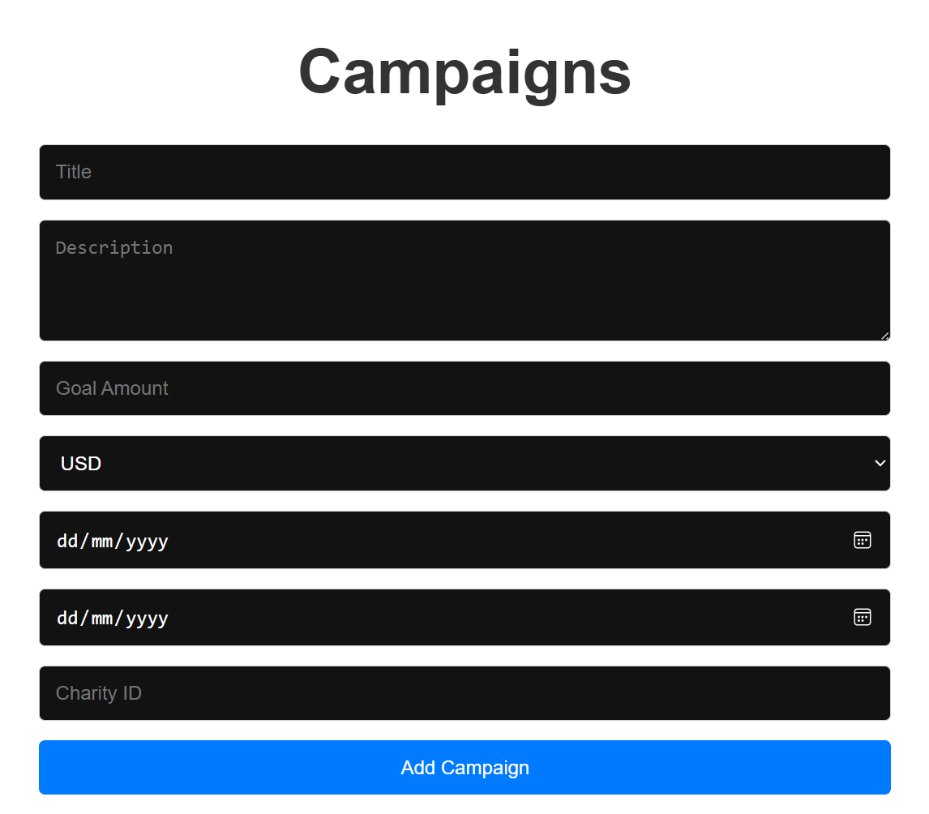
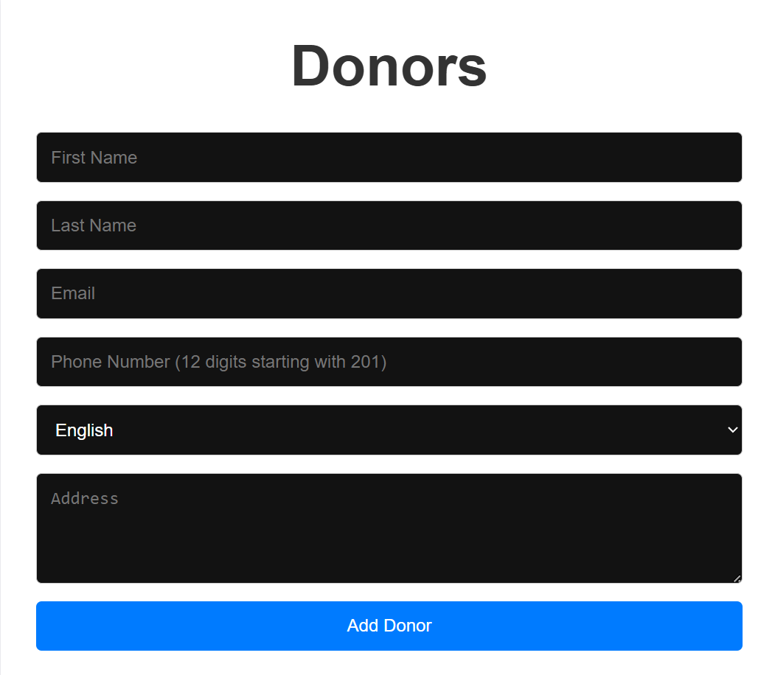
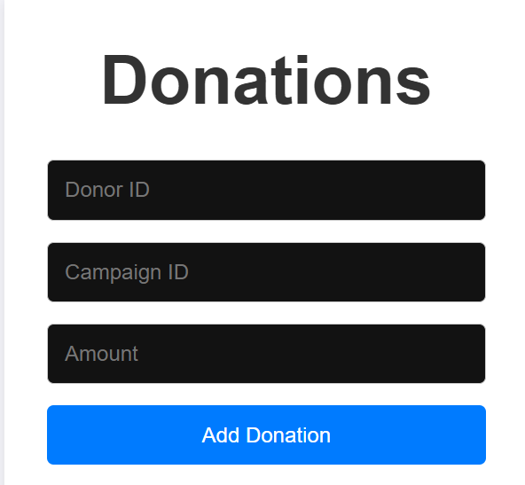
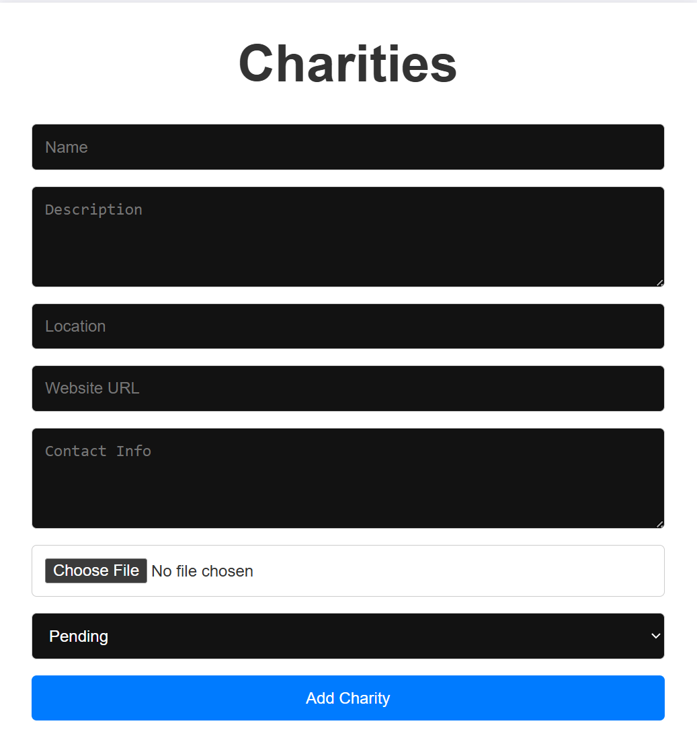
Defect ID | Severity | Priority | Status | Environment Details | Detailed Description | Steps to Reproduce | Attachments | Related Test Case(s)
DEF_001 | Medium | High | New | OS: Windows 11, Application Version: 1.0.0, Browser: Chrome 117.0.5938.92 | The system does not allow contributors to be invited to a fundraising page. The "Invite Contributors" button does not function. | 1. Navigate to an existing fundraising page. 2. Click "Invite Contributors." 3. Observe that no action is taken, and contributors cannot be invited. |  | TC_005
DEF_002 | Medium | High | New | OS: Windows 11, Application Version: 1.0.0, Browser: Chrome 117.0.5938.92 | The system does not display the correct campaign details on the fundraising page. The title, description, and goal amount are missing or incorrect. | 1. Navigate to the fundraising page. 2. Verify that the campaign details (title, description, goal amount) are not displayed correctly. |  | TC_006
DEF_003 | Medium | High | New | OS: Windows 11, Application Version: 1.0.0, Browser: Chrome 117.0.5938.92 | The system fails to upload valid media files (e.g., image.jpg) for campaigns. The upload process hangs or returns an error, even though the file type is valid. | 1. Navigate to the "Manage Campaigns" page. 2. Select an existing campaign. 3. Click "Upload Media." 4. Attempt to upload a valid media file (e.g., image.jpg). 5. Observe that the upload fails or hangs. |  | TC_007
DEF_004 | Medium | High | New | OS: Windows 11, Application Version: 1.0.0, Browser: Chrome 117.0.5938.92 | The system does not reject invalid media file types (e.g., .txt) during upload. Invalid files are accepted, leading to potential issues. | 1. Navigate to the "Manage Campaigns" page. 2. Select an existing campaign. 3. Attempt to upload an invalid media file (e.g., .txt). 4. Observe that the file is accepted without validation. |  | TC_009
DEF_005 | Medium | High | New | OS: Windows 11, Application Version: 1.0.0, Browser: Chrome 117.0.5938.92 | The system does not apply the selected currency (e.g., EUR) to the donation amount. The default currency (e.g., USD) is displayed instead. | 1. Navigate to the "Donate" page. 2. Select a campaign. 3. Choose a non-default currency (e.g., EUR). 4. Enter a donation amount (e.g., 100). 5. Observe that the amount is not converted to the selected currency. |  | TC_010
DEF_006 | Medium | High | New | OS: Windows 11, Application Version: 1.0.0, Browser: Chrome 117.0.5938.92 | The system does not correctly convert donation amounts to the selected currency (e.g., EUR). The conversion logic is not functioning as expected. | 1. Navigate to the "Donate" page. 2. Select a campaign. 3. Choose a non-default currency (e.g., EUR). 4. Enter a donation amount (e.g., 100). 5. Verify that the amount is not converted to the selected currency. |  | TC_011
DEF_007 | Medium | High | New | OS: Windows 11, Application Version: 1.0.0, Browser: Chrome 117.0.5938.92 | The system does not allow charities to upload identification documents. The "Upload Documents" button does not function. | 1. Navigate to the "Charity Dashboard." 2. Click "Upload Documents." 3. Attempt to upload a valid document (e.g., .pdf). 4. Observe that the upload fails or the button does not respond. |  | TC_013
DEF_008 | Medium | High | New | OS: Windows 11, Application Version: 1.0.0, Browser: Chrome 117.0.5938.92 | The system does not validate document uploads for charities. Invalid file types (e.g., .txt) are accepted, leading to potential issues with document processing. | 1. Navigate to the "Charity Dashboard." 2. Click "Upload Documents." 3. Attempt to upload an invalid file type (e.g., .txt). 4. Observe that the file is accepted without validation. |  | TC_014
DEF_009 | Medium | High | New | OS: Windows 11, Application Version: 1.0.0, Browser: Chrome 117.0.5938.92 | The system does not update the document status after a charity uploads valid documents. The status remains "Pending" even after successful upload. | 1. Navigate to the "Charity Dashboard." 2. Upload a valid document (e.g., .pdf). 3. Verify that the document status remains "Pending" instead of updating to "Uploaded." |  | TC_015
DEF_010 | High | Urgent | New | OS: Windows 11, Application Version: 1.0.0, Browser: Chrome 117.0.5938.92 | The system does not approve charities after they upload valid documents. The approval process is not functioning as expected. | 1. Navigate to the "Admin Dashboard." 2. Review a charity's uploaded documents. 3. Click "Approve." 4. Observe that the charity is not approved. |  | TC_016
DEF_011 | High | Urgent | New | OS: Windows 11, Application Version: 1.0.0, Browser: Chrome 117.0.5938.92 | The system does not decline charities with invalid or incomplete documents. The decline process is not functioning as expected. | 1. Navigate to the "Admin Dashboard." 2. Review a charity's invalid or incomplete documents. 3. Click "Decline." 4. Observe that the charity is not declined. |  | TC_017

